Sheet1
 |  | Document No. | Issue No. | Issue Date |  | Review and Replace Date |  |  | Authorised By
 |  | GFF467MC | 2 | 02.10.2024 |  | 17.10.2025 |  |  | Magda Shah
 |  | Document Title | 8* Gochujang Chicken Kebabs with Korean Inspired Dip | 240G
Document amendments reason for change |  | Film Updated |  |  | Page 1 of 1 | Previous Issue Date | 02.10.2024 |  | Uncontrolled copy unless signed original

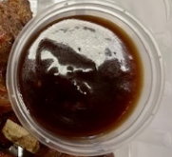
CCGOUB-R1TEB | BOOTHS - XMAS |  | 8* Gochujang Chicken Kebabs with Korean Inspired Dip | 240G
STEP 1 |  |  |  |  | STEP 2
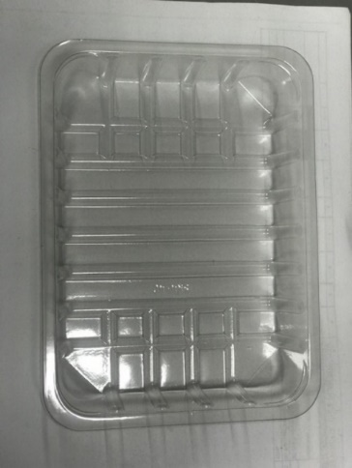

Tray: SK4 Plain Clear (PKESS001-07) |  |  |  |  | Xmas Chilli and Garlic Dip (GFF500R): 40g
Film: AF Weld Film (300mmX1000lm)- (1X1000) -PKKMP001-07
STEP 3
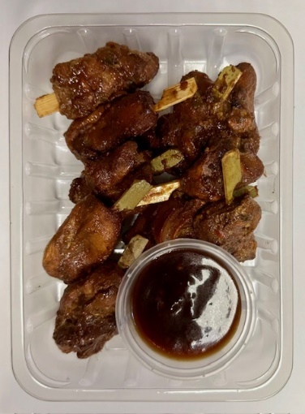

Xmas Gochujang Chicken Skewers (GFF499R): 200g Minimum 8 skewers |  |  |  |  |  |  |  | TOTAL WEIGHT: 240g

ALLERGY ALERT: BARLEY, SOY, SESAME, WHEAT

